Home
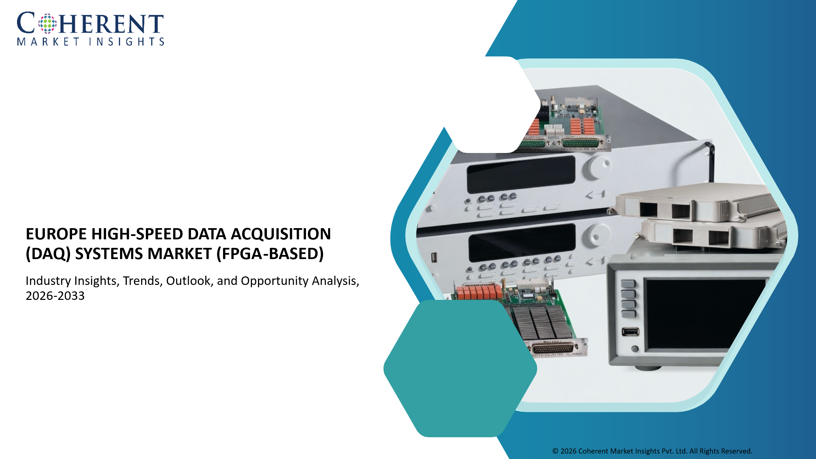

Proposition 1
(list of 100-120 Customer)

Proposition 2
(list of 100-120 Customer)

Proposition 3
(list of 100-120 Customer)

Proposition 1 - Basic
Home
Europe High-Speed Data Acquisition (DAQ) Systems Market - Customer Database Verified directory and insight on customers

S.No. | Customer Information |  |  |  |  | Contact Details |  |  |  |  |  | Professional Drivers
 | Customer Name/Company Name | Business Overview | Industry Vertical (Aerospace & Defense, Automotive & Mobility, Industrial Manufacturing, Semiconductor & Electronics, Healthcare & Life Sciences, Energy & Utilities, Telecommunications, Research & Academia) | Total Annual Revenue (US$ Million) | Customer Size / Scale (Large multinational enterprise, government research organization, defense contractor, mid-sized automation integrator, industrial testing laboratory, academic research center) | Key Contact Person | Designation/Role | Email Address | Phone/WhatsApp Number | LinkedIn Profile | Website URL | Key Buying Criteria (Spectral resolution (number of bands, wavelength accuracy)/Spatial resolution + frame rate (especially for snapshot systems like Living Optics)/Real-time processing capability/Size, weight, and power (SWaP optimization)/Integration capability (SDKs, APIs, AI pipelines)/Calibration accuracy & stability/Application-specific tuning (VNIR / SWIR / LWIR)/Reliability in harsh environments (defense, industrial)/Vendor technical support & customization capability) | Key Pain Points (High cost of hyperspectral systems/Trade-off between spectral vs spatial resolution/Large data volumes - processing/storage challenges/Integration complexity with existing vision systems/Limited real-time performance (for traditional pushbroom systems)/Calibration drift and maintenance issues/Lack of skilled personnel for spectral data interpretation/Power consumption constraints (especially UAV/drone use)/Fragmented vendor ecosystem) | Upcoming Triggers and Initiatives (Adoption of AI/ML for spectral data analytics/Growth in precision agriculture (crop monitoring, soil analysis)/Expansion of defense ISR (Intelligence, Surveillance, Reconnaissance)/Increased use in autonomous vehicles & robotics/Industrial shift toward automated quality inspection/Miniaturization of hyperspectral cameras (key for Living Optics)/Growth in space-based earth observation/Environmental monitoring & climate initiatives/Medical diagnostics innovation (non-invasive imaging))
1 | Customer 1 | xx | xx | xx | xx | xx | xx | xx | xx | xx | xx
2 | Customer 2 | xx | xx | xx | xx | xx | xx | xx | xx | xx | xx
3 | Customer 3 | xx | xx | xx | xx | xx | xx | xx | xx | xx | xx
4 | Customer 4 | xx | xx | xx | xx | xx | xx | xx | xx | xx | xx
5 | Customer 5 | xx | xx | xx | xx | xx | xx | xx | xx | xx | xx
6 | Customer 6 | xx | xx | xx | xx | xx | xx | xx | xx | xx | xx
7 | Customer 7 | xx | xx | xx | xx | xx | xx | xx | xx | xx | xx
8 | Customer 8 | xx | xx | xx | xx | xx | xx | xx | xx | xx | xx
9 | Customer 9 | xx | xx | xx | xx | xx | xx | xx | xx | xx | xx
10 | Customer 10 | xx | xx | xx | xx | xx | xx | xx | xx | xx | xx
11 | Customer 11 | xx | xx | xx | xx | xx | xx | xx | xx | xx | xx
12 | Customer 12 | xx | xx | xx | xx | xx | xx | xx | xx | xx | xx
13 | Customer 13 | xx | xx | xx | xx | xx | xx | xx | xx | xx | xx
14 | Customer 14 | xx | xx | xx | xx | xx | xx | xx | xx | xx | xx
15 | Customer N | xx | xx | xx | xx | xx | xx | xx | xx | xx | xx

Proposition 2 - Advance
Home
Europe High-Speed Data Acquisition (DAQ) Systems Market - Customer Database Verified directory and insight on customers

S.No. | Customer Information |  |  |  |  | Contact Details |  |  |  |  |  | Professional Drivers
 | Customer Name/Company Name | Business Overview | Industry Vertical (Aerospace & Defense, Automotive & Mobility, Industrial Manufacturing, Semiconductor & Electronics, Healthcare & Life Sciences, Energy & Utilities, Telecommunications, Research & Academia) | Total Annual Revenue (US$ Million) | Customer Size / Scale (Large multinational enterprise, government research organization, defense contractor, mid-sized automation integrator, industrial testing laboratory, academic research center) | Key Contact Person | Designation/Role | Email Address | Phone/WhatsApp Number | LinkedIn Profile | Website URL | Key Buying Criteria (Sampling rate requirements, channel density requirements, synchronization capability, low-latency acquisition capability, FPGA integration support, modular scalability, real-time analytics support, signal fidelity, bandwidth capability, edge processing compatibility, ruggedized architecture requirements, software interoperability (LabVIEW/MATLAB/Python APIs), AI-enabled analytics compatibility) | Key Pain Points (High infrastructure cost, data overload and storage bottlenecks, latency issues in real-time acquisition, synchronization challenges across multi-channel systems, integration complexity with industrial protocols, cybersecurity concerns in connected DAQ systems, calibration drift, hardware scalability limitations, shortage of skilled signal processing personnel) | Upcoming Triggers and Initiatives (Industry 4.0 adoption, EV battery testing expansion, autonomous vehicle validation, predictive maintenance deployment, AI-integrated industrial monitoring, semiconductor manufacturing automation, aerospace testing modernization, defense electronics testing upgrades, digital twin implementation, smart grid monitoring initiatives)
1 | Customer 1 | xx | xx | xx | xx | xx | xx | xx | xx | xx | xx | xx | xx | xx
2 | Customer 2 | xx | xx | xx | xx | xx | xx | xx | xx | xx | xx | xx | xx | xx
3 | Customer 3 | xx | xx | xx | xx | xx | xx | xx | xx | xx | xx | xx | xx | xx
4 | Customer 4 | xx | xx | xx | xx | xx | xx | xx | xx | xx | xx | xx | xx | xx
5 | Customer 5 | xx | xx | xx | xx | xx | xx | xx | xx | xx | xx | xx | xx | xx
6 | Customer 6 | xx | xx | xx | xx | xx | xx | xx | xx | xx | xx | xx | xx | xx
7 | Customer 7 | xx | xx | xx | xx | xx | xx | xx | xx | xx | xx | xx | xx | xx
8 | Customer 8 | xx | xx | xx | xx | xx | xx | xx | xx | xx | xx | xx | xx | xx
9 | Customer 9 | xx | xx | xx | xx | xx | xx | xx | xx | xx | xx | xx | xx | xx
10 | Customer 10 | xx | xx | xx | xx | xx | xx | xx | xx | xx | xx | xx | xx | xx
11 | Customer 11 | xx | xx | xx | xx | xx | xx | xx | xx | xx | xx | xx | xx | xx
12 | Customer 12 | xx | xx | xx | xx | xx | xx | xx | xx | xx | xx | xx | xx | xx
13 | Customer 13 | xx | xx | xx | xx | xx | xx | xx | xx | xx | xx | xx | xx | xx
14 | Customer 14 | xx | xx | xx | xx | xx | xx | xx | xx | xx | xx | xx | xx | xx
15 | Customer N | xx | xx | xx | xx | xx | xx | xx | xx | xx | xx | xx | xx | xx

Proposition 3 - Premium
Home
Europe High-Speed Data Acquisition (DAQ) Systems Market - Customer Database Verified directory and insight on customers

S.No. | Customer Information |  |  |  |  | Contact Details |  |  |  |  |  | Professional Drivers |  |  | Purchasing Behaviour Metrics |  |  | Solution Requirements |  |  | CMI Insights
 | Customer Name/Company Name | Business Overview | Industry Vertical (Aerospace & Defense, Automotive & Mobility, Industrial Manufacturing, Semiconductor & Electronics, Healthcare & Life Sciences, Energy & Utilities, Telecommunications, Research & Academia) | Total Annual Revenue (US$ Million) | Customer Size / Scale (Large multinational enterprise, government research organization, defense contractor, mid-sized automation integrator, industrial testing laboratory, academic research center) | Key Contact Person | Designation/Role | Email Address | Phone/WhatsApp Number | LinkedIn Profile | Website URL | Key Buying Criteria (Sampling rate requirements, channel density requirements, synchronization capability, low-latency acquisition capability, FPGA integration support, modular scalability, real-time analytics support, signal fidelity, bandwidth capability, edge processing compatibility, ruggedized architecture requirements, software interoperability (LabVIEW/MATLAB/Python APIs), AI-enabled analytics compatibility) | Key Pain Points (High infrastructure cost, data overload and storage bottlenecks, latency issues in real-time acquisition, synchronization challenges across multi-channel systems, integration complexity with industrial protocols, cybersecurity concerns in connected DAQ systems, calibration drift, hardware scalability limitations, shortage of skilled signal processing personnel) | Upcoming Triggers and Initiatives (Industry 4.0 adoption, EV battery testing expansion, autonomous vehicle validation, predictive maintenance deployment, AI-integrated industrial monitoring, semiconductor manufacturing automation, aerospace testing modernization, defense electronics testing upgrades, digital twin implementation, smart grid monitoring initiatives) | Budget Ownership (CTO office, R&D department, industrial automation division, engineering procurement team, defense procurement authority, plant modernization teams, digital transformation office) | Procurement Model (Direct OEM procurement, system integrator-led deployment, framework contracts, government tenders, industrial automation partnerships, co-development agreements, research grants and consortium projects) | Preferred Engagement Type (Pilot deployment projects, proof-of-concept testing, multi-site deployment contracts, long-term maintenance agreements, engineering customization projects, embedded integration partnerships) | Preferred Solution Type (Modular DAQ systems, PCIe/PXI-based DAQ platforms, portable DAQ systems, FPGA-enabled DAQ modules, edge DAQ systems, embedded DAQ devices, cloud-connected analytics platforms, software-defined acquisition systems) | Preferred Deployment Model (On-premise industrial deployment, edge-based processing, hybrid edge-cloud analytics, embedded deployment within robotics/industrial systems, secure defense-grade deployment) | Performance Expectations (Ultra-low latency, high-speed synchronized acquisition, deterministic real-time performance, high signal accuracy, high bandwidth processing, rugged industrial reliability, interoperability with industrial networks, scalable multi-channel architecture, AI-ready data pipeline compatibility) | Customer Benchmarking Summary (Potential Customers) | Additional Comments/Notes By CMI team
1 | Customer 1 | xx | xx | xx | xx | xx | xx | xx | xx | xx | xx | xx | xx | xx | xx | xx | xx | xx | xx | xx | xx | xx
2 | Customer 2 | xx | xx | xx | xx | xx | xx | xx | xx | xx | xx | xx | xx | xx | xx | xx | xx | xx | xx | xx | xx | xx
3 | Customer 3 | xx | xx | xx | xx | xx | xx | xx | xx | xx | xx | xx | xx | xx | xx | xx | xx | xx | xx | xx | xx | xx
4 | Customer 4 | xx | xx | xx | xx | xx | xx | xx | xx | xx | xx | xx | xx | xx | xx | xx | xx | xx | xx | xx | xx | xx
5 | Customer 5 | xx | xx | xx | xx | xx | xx | xx | xx | xx | xx | xx | xx | xx | xx | xx | xx | xx | xx | xx | xx | xx
6 | Customer 6 | xx | xx | xx | xx | xx | xx | xx | xx | xx | xx | xx | xx | xx | xx | xx | xx | xx | xx | xx | xx | xx
7 | Customer 7 | xx | xx | xx | xx | xx | xx | xx | xx | xx | xx | xx | xx | xx | xx | xx | xx | xx | xx | xx | xx | xx
8 | Customer 8 | xx | xx | xx | xx | xx | xx | xx | xx | xx | xx | xx | xx | xx | xx | xx | xx | xx | xx | xx | xx | xx
9 | Customer 9 | xx | xx | xx | xx | xx | xx | xx | xx | xx | xx | xx | xx | xx | xx | xx | xx | xx | xx | xx | xx | xx
10 | Customer 10 | xx | xx | xx | xx | xx | xx | xx | xx | xx | xx | xx | xx | xx | xx | xx | xx | xx | xx | xx | xx | xx
11 | Customer 11 | xx | xx | xx | xx | xx | xx | xx | xx | xx | xx | xx | xx | xx | xx | xx | xx | xx | xx | xx | xx | xx
12 | Customer 12 | xx | xx | xx | xx | xx | xx | xx | xx | xx | xx | xx | xx | xx | xx | xx | xx | xx | xx | xx | xx | xx
13 | Customer 13 | xx | xx | xx | xx | xx | xx | xx | xx | xx | xx | xx | xx | xx | xx | xx | xx | xx | xx | xx | xx | xx
14 | Customer 14 | xx | xx | xx | xx | xx | xx | xx | xx | xx | xx | xx | xx | xx | xx | xx | xx | xx | xx | xx | xx | xx
15 | Customer N | xx | xx | xx | xx | xx | xx | xx | xx | xx | xx | xx | xx | xx | xx | xx | xx | xx | xx | xx | xx | xx

